Assessment Instructions
Open the MBE Level Assessment Worksheet
Columns B--H show the level number that matches to your requirement capaability.
Row 3 contains MBE Maturity Classification (note the last three each have two maturity levels)
Row 4 contains the Base Requirements for each level. Base Requirements are used with sub-category requirements to define un-ambigious definition of requirements by level.
Row 5 displays the design authority document for each level.
Rows 6, 12, 19, 28 and 35 are the functional catagories.

Each Functional Category has sub-category levels. Quickly expand the sub-catagories by clicking on "1" or "2" buttons in the upper left of the EXCEL window.
If your organization does not work within a particular category do not expand the section.
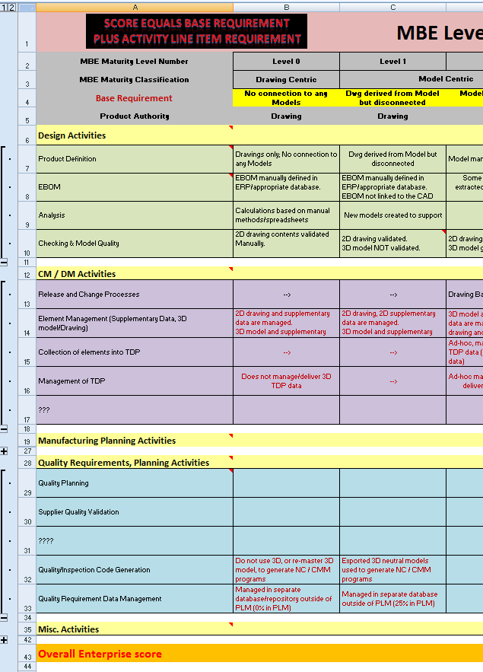

Read each sub-category and its requirement, remember to pair a sub-category requirement with it's base requirement of the same level.
If for example you satisfy both sub-category requirement and base requirement for level 4 but not 5 then your score for the sub-category is 4.
Enter this into the "AS Is Score" column (Blue numbers with gray background) and complete the rest of the spreadsheet.

As all catagories are completed you will receive a score for each category which is the average of all of that catagoriy requirements.
Also fill out your goal for the assessment (this is used on charts on the Chart Worksheet)

As you complete the worksheet a Radar (Spyder) Chart is populated on the Charts worksheet
There is a chart for each Category as well as an overall chart whicy are results for each category
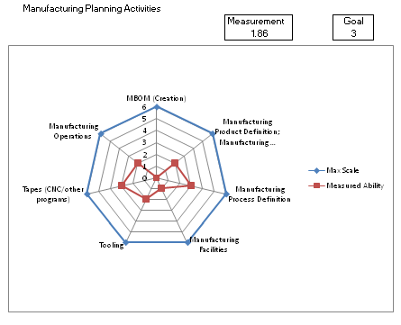

Distribution Statement A: This is approved for public release; distribution is unlimited.

MBE Level Assessment
Score equals Base Requirement plus Activity Line Item Requirement
MBE Level Assessment Worksheet
MBE Maturity Level | Level 0 | Level 1 | Level 2 | Level 3 | Level 4 | Level 5 | Level 6 | As-Is Score | Goal
MBE Maturity Classification | Drawing Centric | Model Centric |  | Model Based Definition |  | Model Based Enterprise
Base Requirement | No connection to any Model | Dwg derived from Model but disconnected | Dwg derived from Model; Model managed with Drawing | Model contains some PMI; Drawing is supplemental | Model contains complete Product Definition in PMI | Model is used in some non traditional activities | Models Drive all associated activities
Product Authority | Drawing | Drawing | Drawing | Model | Model | Model | Model
Design Activities |  |  |  |  |  |  |  | 0.00 | 3
Product Definition | Drawings only; No connection to any Models | Dwg derived from Model but disconnected | Model managed with Drawing | Model contains some PMI Drawing is supplemental | Model contains complete Product Definition in PMI | Model is used in some non traditional activities | Models Drive all associated activities | 0 | 3
EBOM | EBOM manually defined in ERP/appropriate database. | EBOM manually defined in ERP/appropriate database. EBOM not linked to the CAD models. | Some or all of EBOM is extracted from CAD product structure | Same requirement as level 4 --> | EBOM managed in PLM/ERP tool. EBOM available for distribution for MBOM/PBOM/other definition. | EBOM managed in PLM. MBOM/other BOM definition is defined using CAD based tools. | Automation software develops other BOMs automatically | 0 | 3
Analysis | Calculations based on manual methods/spreadsheets | New models created to support analytic activities | Same requirement as level 4 --> | Same requirement as level 4 --> | Native CAD Model is reused as analytic model, some modifications required | Native CAD Model is reused as analytic model without model modifications | Automatic analysis as design progresses. | 0 | 3
Checking & Model Quality | 2D drawing contents validated Manually. | 2D drawing validated. 3D model NOT validated. | 2D drawing validated. 3D model geometry validated. | 3D model validated. 2D drawing validated. | 3D model geometry and part annotations validated. | 3D model validated - Semi automation using PLM based tools. | 3D Product definition validated during model creation. Derivatives validated at creation, Automatically | 0 | 3

CM / DM Activities (PLM) |  |  |  |  |  |  |  | 2.00 | 3
Release and Change Processes | Same requirement as level 2 --> | Same requirement as level 2 --> | Drawing Based, Manual CM and DM processes. | Model Based, Manual CM and DM processes. | Model Based, Manual CM and DM processes. (Some CM process controlled) | Model Based, all CM processes from PLM | Model Based, all CM processes from PLM (Support Automation) | 2 | 3
CM Vault Management | Same requirement as level 1 --> | 2D drawing and supplementary data are managed in a manual vault and database | 2D, 3D and supplemental data managed in separate database outside of PLM (25% in PLM) | 2D, 3D and supplementary data are managed in a manual vault and database (50% - 75% in PLM) | 2D, 3D managed in PLM. Some supplemental in PLM. CM might be manual. | Fully managed by PLM System | Fully PLM managed with automated supporting routines. | 1 | 3
Collection of elements into TDP | Same requirement as level 2 --> | Same requirement as level 2 --> | Ad-hoc, manual collection of 3D TDP data (digital and physical data) | Structured manual collection of digital 3D TDP data | Semi-automated collection of digital 3D TDP data by PLM | Same requirement as level 6 --> | Automated collection of digital 3D TDP data by PLM | 3 | 3
Management of TDP | Does not manage/deliver 3D TDP data | Same requirement as level 2 --> | Ad-hoc manual digital or physical delivery of 3D TDP data | Same requirement as level 4 --> | Structured digital delivery of full 3D TDP data | Same requirement as level 6 --> | Automated digital delivery of full 3D TDP by PLM. | 2 | 3

Manufacturing Planning Activities |  |  |  |  |  |  |  | 1.86 | 3
MBOM (Creation) | Manual drawing based lists compiled | Same requirement as level 2 --> | Manual drawing based lists compiled | CAD Product Tree Plus manual MBOM components (Raw/Misc. material) | CAD Product tree contains Raw/Misc. Material | Smart BOM extraction routines used | Automation drives EBOM - MBOM definition MRP needs (By product type factory type) | 0 | 3
Manufacturing Product Definition; Manufacturing Drawings/Models when required | Mfg. Drawings created as required | Mfg. drawings created based on models, no CM on models | Mfg. drawings and models managed by CM | Mfg. models are master with supplemental drawings | Mfg. models are complete definition | Smart model recognition routines provide initial automation | Automation drives Mfg. product definition | 2 | 3
Manufacturing Process Definition | Text and photograph based work instruction document | Same requirement as level 2 --> | Text and photograph based work instruction document some pictures of models | Model based work instructions, pictures and text | 3D Model based work instructions including PMI usage | Smart model recognition routines provide initial automation of WI creation. | Automation drives process definition based on product type, facility, available processes | 3 | 3
Manufacturing Facilities | Defined; based on processes that are derived from drawings | Same requirement as level 2 --> | Defined; based on processes derived from drawings. (Some model visual analysis | Defined; based on visual model analysis | Defined; based on combination of visual and parametric analysis | Defined based on parametric analysis with visual double check | Facilities plans are automatically derived from product definition | 1 | 3
Tooling | Defined; based on processes that are derived from drawings | Same requirement as level 2 --> | Defined; based on processes derived from drawings. (Some model visual analysis | Same requirement as level 5 --> | Same requirement as level 5 --> | Defined; based on model analysis | Tooling is automatically defined based on product definition | 2 | 3
Tapes (CNC/other programs) | CNC/ other manually created or new models created to support | CNC/ new models created to support | CNC /other based on existing model, checked to drawing | CNC /other based on existing model, checked to model and supplemental drawing | CNC /other based on existing model, checked to model. Updates possible with model modification | Some automation based on Model Features and PMI | CNC/other programs automatically defined based on product design and mfg. facility | 3 | 3
Manufacturing Operations | 2D Drawings and hard copy routings used on shop Floor | Same requirement as level 2 --> | 2D Drawings and routings accessed from workstation computer | Models, 2D Drawings and routings accessed from workstation computer | Same requirement as level 5 --> | Models, product and process definition accessed from workstation computer | Factory completely automated to create Product definition | 2 | 3

Quality Requirements, Planning Activities |  |  |  |  |  |  |  | 1.40 | 3
Quality Planning | Same requirement as level 2 --> | Same requirement as level 2 --> | Drawing used to define inspection processes | Drawing and Model used to define inspection process | Model used to define inspection processes Some automated extraction of PMI | Complete extraction of Semantic PMI used in inspection process software | Automated QA plans, including CMM programs and processes. | 1 | 3
Quality/Inspection Code Generation | Same requirement as level 2 --> | Same requirement as level 2 --> | Drawing used to define manually created CMM routines | Model and Drawing used to define manually created CMM routines | Models used to define CMM programs interactively | Complete extraction of Semantic PMI used in inspection CMM software | Automated CMM programs and processes. | 2 | 3
Quality Requirements Data Management | Same requirement as level 1 --> | File Folders (manual or computer based database) | Managed in separate database outside of PLM/ERP | Managed in separate database outside of PLM (50% in PLM) | Managed in separate database outside of PLM (75% in PLM) | Same requirement as level 6 --> | Fully managed in PLM | 1 | 3
Receiving Inspection | Same requirement as level 2 --> | Same requirement as level 2 --> | 2D drawings used to Inspect/Verify incoming material. | Same requirement as level 4 --> | 3D models/derivatives used to manually Inspect/Verify incoming material. | 3D Models/Derivatives systematically compared to models with human assist. | Incoming material Inspected/Verified automatically (compared to Model). | 2 | 3
Supplier Quality Certification | Same requirement as level 2 --> | Same requirement as level 2 --> | Drawing used to define inspection processes | Drawing and Model used to define inspection process | Model used to define inspection processes Some automated extraction of PMI | Complete extraction of Semantic PMI used in inspection process software | Automated QA plans, including CMM programs and processes. | 1 | 3

Enterprise Activities |  |  |  |  |  |  |  | 4.00 | 3
Logistics (Tech Manuals) | Same requirement as level 2 --> | Manual "Art" and some cut and paste for manuals. | Manual "Art" and some cut and paste for manuals. Some 3D images. | 3D Images from CAD replace Manual Art. Some cut and paste still used. | 3D images used as 2D depictions, some 3D images used (derived) | Some automation used for Tech Manual creation (Most likely data and image mining) | Automation drives Tech Manual creation completely. | 2 | 3
Logistics (Spares) | Same requirement as level 2 --> | Same requirement as level 2 --> | Manual drawing based lists compiled | CAD Product Tree Plus manual MBOM components (Raw/Misc. material) | CAD Product tree contains Raw/Misc. Material | Smart BOM extraction routines used | Automation drives EBOM - MBOM definition MRP needs (By product type factory type) | 3 | 3
Procurement | Same requirement as level 2 --> | Same requirement as level 2 --> | 2D Drawings used for procurement requirements. | 3D models and 2D drawings used for procurement requirements. | 3D models used for procurement requirements. | Some automated procurement routines are based on 3D CAD | All Procurement automatic based on CAD model and smart vendor database. | 4 | 3
Shipping | Same requirement as level 2 --> | 2D Sketches and Drawings (no models) provided to packaging workers | Same requirement as level 3 --> | 2D Sketches and Drawings, some 3D images provided to packaging workers | 3D images used as 2D depictions, some 3D images used (derived) | Smart routines to assist packaging engineer to design packaging. | Automated processes to design packaging and possibly assemble the item to be shipped. | 5 | 3
Reverse Engineering | Measure component being RE and create 2D sketches and drawings. | Measure and create model, create 2D drawing from model, maintain no connection. | Measure and create model, create 2D drawing from model, maintain connection. | Some PMI added to model | Complete PMI added to model | Scanned RE component, convert to 2D CAD with PMI | Scanned RE component automatically convert to 2D CAD with complete PMI | 6 | 3

Overall Enterprise score |  |  |  |  |  |  | Weighted MBE Level | 1.9 | 3.0

Requirements should be defined as: | How does an activity utilize or interface with Model Based Data. (Drawings, Models, MBD Models)

Distribution Statement A: This is approved for public release; distribution is unlimited.

Charts
 | Enterprise MBE Level
 |  | Measurement | Goal
 |  | 1.85 | 3
 | Max Scale | Measured Ability | Goal
Design Activities | 6 | 0.0 | 3.0
CM / DM Activities (PLM) | 6 | 2.0 | 3.0
Manufacturing Planning Activities | 6 | 1.9 | 3.0
Quality Requirements, Planning Activities | 6 | 1.4 | 3.0
Enterprise Activities | 6 | 4.0 | 3.0

Design Activities |  |  |  | CM / DM Activities (PLM)

 |  | Measurement | Goal |  | Measurement | Goal
 |  | 0.00 | 3 |  | 2.00 | 3
 | Max Scale | Measured Ability | Goal
Product Definition | 6 | 0 | 3
EBOM | 6 | 0 | 3
Analysis | 6 | 0 | 3
Checking & Model Quality | 6 | 0 | 3
 | Max Scale | Measured Ability | Goal
Release and Change Processes | 6 | 2 | 3
CM Vault Management | 6 | 1 | 3
Collection of elements into TDP | 6 | 3 | 3
Management of TDP | 6 | 2 | 3

 |  |  |  | Quality Requirements, Planning Activities
Manufacturing Planning Activities
 |  | Measurement | Goal |  | Measurement | Goal
 |  | 1.86 | 3 |  | 1.40 | 3
 | Max Scale | Measured Ability | Goal
MBOM (Creation) | 6 | 0 | 3
Manufacturing Product Definition; Manufacturing Drawings/Models when required | 6 | 2 | 3
Manufacturing Process Definition | 6 | 3 | 3
Manufacturing Facilities | 6 | 1 | 3
Tooling | 6 | 2 | 3
Tapes (CNC/other programs) | 6 | 3 | 3
Manufacturing Operations | 6 | 2 | 3
 | Max Scale | Measured Ability | Goal
Quality Planning | 6 | 1 | 3
Quality/Inspection Code Generation | 6 | 2 | 3
Quality Requirements Data Management | 6 | 1 | 3
Receiving Inspection | 6 | 2 | 3
Supplier Quality Certification | 6 | 1 | 3

 |  |  |  | Enterprise Activities
 |  |  |  |  | Measurement | Goal
 |  |  |  |  | 4.00 | 3
 | Max Scale | Measured Ability | Goal
Logistics (Tech Manuals) | 6 | 2 | 3
Logistics (Spares) | 6 | 3 | 3
Procurement | 6 | 4 | 3
Shipping | 6 | 5 | 3
Reverse Engineering | 6 | 6 | 3

Distribution Statement A: This is approved for public release; distribution is unlimited.

